PD_AMT
 |  |  |  | PARAMETER DIAGRAM - AMT |  |  |  |  |  | Date | 2019-09-25

 | DFMEA - Nexon |  |  |  | PART NAME: PCB_AMT |  | LUMAX MANNOH ALLIED TECHNOLOGIED LTD. |  |  | DATE
 | PARAMETRIC DIAGRAM |  |  |  | PART NO.: |  | ENGINEERING DEPARTMENT |  |  | 2019-09-25

NOISE FACTORS
Piece to Piece |  | Change over time |  |  | Usage | External environment |  | System interactions
PCB and component specification values may differ but it will be in the acceptable range. |  | We can't predict the change over time in PCB. |  |  | PCB is enclosed in the Mechanical fixture so till the customer get access to the PCB board it doesn’t get affected. | Magnet properties and exceeding operating temperature of the board will damage the board. |  | Damage in the wiring harness connector may affect the GSL. Wear and Tear in the GSL magnet holder will also affect the functionality of GSL.

Input Signals |  | 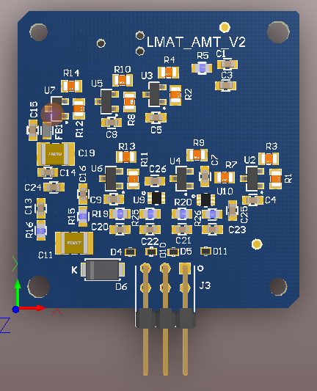 |  |  |  |  |  |  | Ideal response
1. Operating voltage: 8V - 16V 2.Operating Temperature: -40°C to 80°C 3. Magnet |  |  |  |  |  |  |  |  | TCU should be read A1, A2, A3 and A4 output signals within the mentioned range as per EE spec.

INPUT
OUTPUT

 |  |  | Control Factors |  |  |  |  |  | Error State
 |  |  | 1. Component are selected so that it can tolerate temperate from -40°C to 100°C. 2. PCB is enclosed in the mechanical casing so the access to customer is avoided. 3. Magnet will be holded properly by the lever in GSL. 4. Wiring harness will be be connected properly to TCU. |  |  |  |  |  | Failure of hall effect sensor will send error message to TCU.

PREPARED BY: |  |  |  | CHECKED BY: |  |  | APPROVED BY: |  |  | SHEET 1 OF 1

